Workflow
Application Workflow
*Note: Visual representation of the application workflow
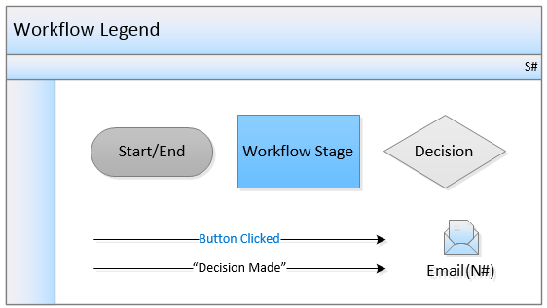

MOC Workflow

Stage # | Stage Name | Record Status | Stage Owner | Due Date | Workflow Buttons | Workflow Path | Email Template # | Comments
1 | Initiation | Initiation | Created By (Field) | N/A | Submit | Transition to 'Pre Approval' stage | N01 | Recipient(s) : Change Requester
2 | Pre-Approval | Pre-Approval | MOC Coordinator (Role) | N/A | Submit | If 'Replacement in Kind' = Yes, then transition to 'Implementation' stage Else if 'Emergency Change' = Yes, then transition to 'Design & Analysis' stage Else transition to 'Evaluation' stage | N01 | Recipient(s) : Change Requester Prior to transitioning to next stage, all tasks have to be completed.
 |  |  |  |  | Roll Back | Transition back to 'Initiation' stage | N02 | Recipient(s) : Change Requester
 |  |  |  |  | Cancel |  | N03 | Recipient(s) : Change Requester
3 | Evaluation | Evaluation | MOC Coordinator (Role) | N/A | Submit | Transition to 'Design & Analysis' stage | N01 | Recipient(s) : Change Requester Prior to transitioning to next stage, all tasks and approvals have to be completed.
 |  |  |  |  | Roll Back | Transition back to 'Pre-Approval' stage | N02 | Recipient(s) : Change Requester
 |  |  |  |  | Cancel |  | N03 | Recipient(s) : Change Requester
4 | Design & Analysis | Design & Analysis | MOC Coordinator (Role) | N/A | Submit | Transition to 'Implementation' stage | N01 | Recipient(s) : Change Requester Prior to transitioning to next stage, all tasks and approvals have to be completed.
 |  |  |  |  | Roll Back | If 'Emergency Change' = Yes, then transition back to 'Pre-Approval' stage Else transition back to 'Evaluation' stage | N02 | Recipient(s) : Change Requester
 |  |  |  |  | Cancel |  | N03 | Recipient(s) : Change Requester
5 | Implementation | Implementation | MOC Coordinator (Role) | N/A | Submit | Transition to 'Start Up' stage | N01 | Recipient(s) : Change Requester Prior to transitioning to next stage, all tasks and approvals have to be completed.
 |  |  |  |  | Roll Back | If 'Replacement in Kind' = Yes, then transition back to 'Pre-Approval' stage Else transition back to 'Design & Analysis' stage | N02 | Recipient(s) : Change Requester
 |  |  |  |  | Cancel |  | N03 | Recipient(s) : Change Requester
6 | Start Up | Start Up | MOC Coordinator (Role) | N/A | Submit | Transition to 'Follow Up' stage | N01 | Recipient(s) : Change Requester Prior to transitioning to next stage, all tasks and approvals have to be completed.
 |  |  |  |  | Roll Back | Transition back to 'Implementation' stage | N02 | Recipient(s) : Change Requester
 |  |  |  |  | Cancel |  | N03 | Recipient(s) : Change Requester
7 | Follow Up | Follow Up | MOC Coordinator (Role) | N/A | Close |  | N04 | Recipient(s) : Change Requester Prior to closing: - All tasks and approvals have to be completed. - If 'Temporary Changes' = Yes, then 'Has Temporary Change been scheduled for permanent MOC?' field must be set to 'Yes'
 |  |  |  |  | Roll Back | Transition back to 'Start Up' stage | N02 | Recipient(s) : Change Requester
 |  |  |  |  | Cancel |  | N03 | Recipient(s) : Change Requester

MOC Task Workflow

Stage # | Stage Name | Record Status | Stage Owner | Due Date | Workflow Buttons | Workflow Path | Email Template # | Comments
1 | Draft | Draft | Created By (Field) | N/A | Submit Task | Transition to 'In Progress' stage | N05 | Recipient(s) : Person Responsible Prior to transitioning to next stage, 'Target Date' must be on or after Today
2 | In Progress | In Progress | Person Responsible (Field) | Target Date | Reject Task | Transition back to 'Draft' stage | N06 | Recipient(s) : Creator Prior to transitioning to previous stage, 'Rejection Date' must be on or before Today
 |  |  |  |  | Close Task |  | N07 | Recipient(s) : Creator Prior to closing, 'Completion Date' must be on or before Today

MOC Approval Workflow

Stage # | Stage Name | Record Status | Stage Owner | Due Date | Workflow Buttons | Workflow Path | Email Template # | Comments
1 | Draft | Draft | Created By (Field) | N/A | Submit Approval Task | Transition to 'In Progress' stage | N08 | Recipient(s) : Person Responsible Prior to transitioning to next stage, 'Target Date' must be on or after Today
2 | In Progress | In Progress | Role/Person Responsible (Field) | Target Date | Reject Approval Task | Transition back to 'Draft' stage | N09 | Recipient(s) : Creator Prior to transitioning to previous stage, 'Accept Approval Task' must be 'No'
 |  |  |  |  | Close Approval Task |  | N10 | Recipient(s) : Creator Prior to closing: -'Accept Approval Task' must be 'Yes' -'Completion Date' must be on or before Today

Object Model
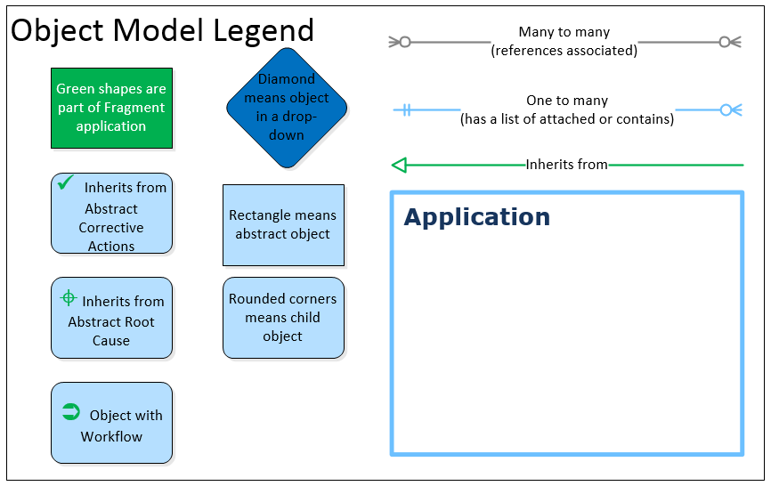
Object Model
*Note: Visual representation of the data tables that make up the application

Object Name | Location Bound | Base Object | Parent | Hierarchies | Record Creation any Location | Soft Delete | Localizable | Private Doc | Doc Control | Messages | Merge Template | Quick Task
Change Communication Task | No | N | MOC Task | N | N | N | N | N | N | N | N | N
Checklist Task | No | N | MOC Task | N | N | N | N | N | N | N | N | N
Documentation Task | No | N | MOC Task | N | N | N | N | N | N | N | N | N
Engineering Approval | No | N | MOC Approval | N | N | N | N | N | N | N | N | N
Environmental Approval | No | N | MOC Approval | N | N | N | N | N | N | N | N | N
Financial Approval | No | N | MOC Approval | N | N | N | N | N | N | N | N | N
Impact/Hazard Assessment Task | No | N | MOC Task | N | N | N | N | N | N | N | N | N
MOC | Active location and below | N |  | N | N | N | N | N | N | N | N | N
MOC Approval | Active location and below | Y |  | N | N | N | N | N | N | N | N | N
MOC Approval Setup | No | N |  | N | N | N | N | N | N | N | N | N
MOC Category | No | N |  | N | N | N | N | N | N | N | N | N
MOC Screening Question | No | N |  | N | N | N | N | N | N | N | N | N
MOC Screening Question Setup | No | N |  | N | N | N | N | N | N | N | N | N
MOC Task | No | Y | Abstract Corrective Action | N | N | N | N | N | N | N | N | N
MOC Task Setup | No | N |  | N | N | N | N | N | N | N | N | N
MOC Workflow | No | N |  | N | N | N | N | N | N | N | N | N
Process Task | No | N | MOC Task | N | N | N | N | N | N | N | N | N
PSSR Task | No | N | MOC Task | N | N | N | N | N | N | N | N | N
Risk Management Approval | No | N | MOC Approval | N | N | N | N | N | N | N | N | N
Safety Approval | No | N | MOC Approval | N | N | N | N | N | N | N | N | N
Start Up Approval | No | N | MOC Approval | N | N | N | N | N | N | N | N | N
Tag | No | N |  | N | N | N | N | N | N | N | N | N
Training Task | No | N | MOC Task | N | N | N | N | N | N | N | N | N
Workflow Stage | No | N |  | N | N | N | N | N | N | N | N | N
Total | 24

